Original
 |  | Answer Expected |  |  | https://www.linkedin.com/feed/update/urn:li:activity:7226436838398337025/
State | Data | Seq | Name | State
California | John : 5 Linda : 8 Susan : 2, 14 William : 11 | 1 | James | Kansas
Kansas | David : 9 James : 1, 3, 6 Sarah : 18 | 2 | Susan | California
Normalise the data given in columns A to B as given in Answer Expected.
New York | David : 13, 15, 16 James : 10 Susan : 12 | 3 | James | Kansas
Ohio | James : 4 Susan : 17 | 4 | James | Ohio
Texas | James : 7 | 5 | John | California
 |  | 6 | James | Kansas
 |  | 7 | James | Texas
 |  | 8 | Linda | California
 |  | 9 | David | Kansas
 |  | 10 | James | New York
 |  | 11 | William | California
 |  | 12 | Susan | New York
 |  | 13 | David | New York
 |  | 14 | Susan | California
 |  | 15 | David | New York
 |  | 16 | David | New York
 |  | 17 | Susan | Ohio
 |  | 18 | Sarah | Kansas

Alt1
 |  |  | Answer Expected |  |  |  |  |  |  |  |  |  |  | https://www.linkedin.com/feed/update/urn:li:activity:7226436838398337025/
State | Data |  | Seq | Name | State
California | John : 5 Linda : 8 Susan : 2, 14 William : 11 |  | 1 | James | Kansas |  |  |  | John |  |  | 5 | #N/A | #N/A
Kansas | David : 9 James : 1, 3, 6 Sarah : 18 |  | 2 | Susan | California |  |  |  | Linda |  |  | 8 | #N/A | #N/A
New York | David : 13, 15, 16 James : 10 Susan : 12 |  | 3 | James | Kansas |  |  |  | Susan |  |  | 2 |  | 14
Ohio | James : 4 Susan : 17 |  | 4 | James | Ohio |  |  |  | William |  |  | 11 | #N/A | #N/A
Texas | James : 7 |  | 5 | John | California
 |  |  | 6 | James | Kansas
 |  |  | 7 | James | Texas |  |  |  |  |  |  |  | Understand
 |  |  | 8 | Linda | California |  |  |  |  |  | 5 | John | California
 |  |  | 9 | David | Kansas |  |  |  |  |  | 8 | Linda | California
 |  |  | 10 | James | New York |  |  |  | , |  | 2 | Susan | California
 |  |  | 11 | William | California |  |  |  | : |  | 14 | Susan | California
 |  |  | 12 | Susan | New York |  |  |  |  |  | 11 | William | California
 |  |  | 13 | David | New York
 |  |  | 14 | Susan | California
 |  |  | 15 | David | New York |  |  |  |  |  |  | John | #N/A | #N/A |  |  | California | #N/A | #N/A
 |  |  | 16 | David | New York |  |  |  |  |  |  | Linda | #N/A | #N/A |  |  | California | #N/A | #N/A
 |  |  | 17 | Susan | Ohio |  |  |  |  |  |  | Susan |  | Susan |  |  | California |  | California
 |  |  | 18 | Sarah | Kansas |  |  |  |  |  |  | William | #N/A | #N/A |  |  | California | #N/A | #N/A

 | 1 | James | Kansas |  | TRUE | TRUE | TRUE
 | 2 | Susan | California |  | TRUE | TRUE | TRUE |  | David |  |  | 13 |  | 15 |  | 16
 | 3 | James | Kansas |  | TRUE | TRUE | TRUE |  | James |  |  | 10 | #N/A | #N/A | #N/A | #N/A
 | 4 | James | Ohio |  | TRUE | TRUE | TRUE |  | Susan |  |  | 12 | #N/A | #N/A | #N/A | #N/A
 | 5 | John | California |  | TRUE | TRUE | TRUE
 | 6 | James | Kansas |  | TRUE | TRUE | TRUE
 | 7 | James | Texas |  | TRUE | TRUE | TRUE |  | 13 | David | New York |  | New York |  | New York
 | 8 | Linda | California |  | TRUE | TRUE | TRUE |  | 15 | David | New York |  | New York
 | 9 | David | Kansas |  | TRUE | TRUE | TRUE |  | 16 | David | New York |  | New York
 | 10 | James | New York |  | TRUE | TRUE | TRUE |  | 10 | James | New York |  | New York
 | 11 | William | California |  | TRUE | TRUE | TRUE |  | 12 | Susan | New York |  | New York
 | 12 | Susan | New York |  | TRUE | TRUE | TRUE
 | 13 | David | New York |  | TRUE | TRUE | TRUE
 | 14 | Susan | California |  | TRUE | TRUE | TRUE
 | 15 | David | New York |  | TRUE | TRUE | TRUE
Sure, I’d be happy to help!
The formula =@+A5:B7 in Excel involves two key components: the implicit intersection operator (@) and the range (A5:B7).
Implicit Intersection Operator (@)
The @ symbol is used in Excel to indicate implicit intersection. This operator was introduced to handle dynamic arrays and ensure that formulas return a single value when necessary. Implicit intersection logic works as follows1:
If the value is a single item, it returns that item.
If the value is a range, it returns the value from the cell on the same row or column as the formula.
If the value is an array, it picks the top-left value.
Range (A5:B7)
The range A5:B7 refers to the cells from A5 to B7. This range includes all the cells in the rectangle formed by these two corners.
Combining @ and A5:B7
When you use =@+A5:B7, Excel evaluates the range A5:B7 and applies the implicit intersection operator. This means it will return the value from the range that intersects with the cell where the formula is entered. For example, if you enter this formula in cell A6, it will return the value in cell A6 from the range A5:B7.
Practical Example
Let’s say you have the following data in cells A5:B7:
A5: 10 B5: 20 A6: 30 B6: 40 A7: 50 B7: 60 If you enter =@+A5:B7 in cell A6, it will return 30 because A6 is the intersecting cell within the specified range.
Does this help clarify how the formula works? If you have any more questions or need further examples, feel free to ask!
 | 16 | David | New York |  | TRUE | TRUE | TRUE
 | 17 | Susan | Ohio |  | TRUE | TRUE | TRUE
 | 18 | Sarah | Kansas |  | TRUE | TRUE | TRUE

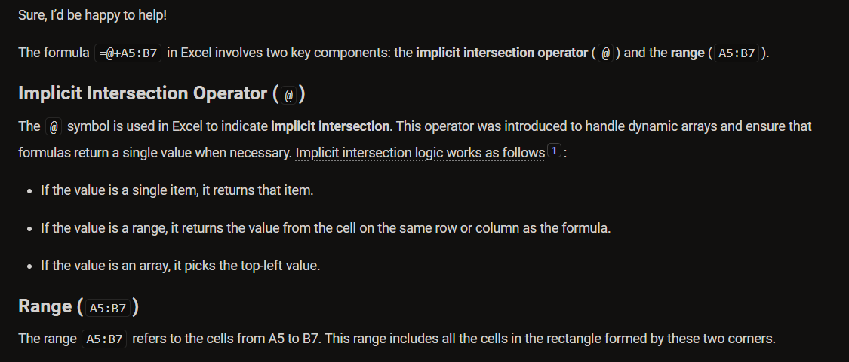

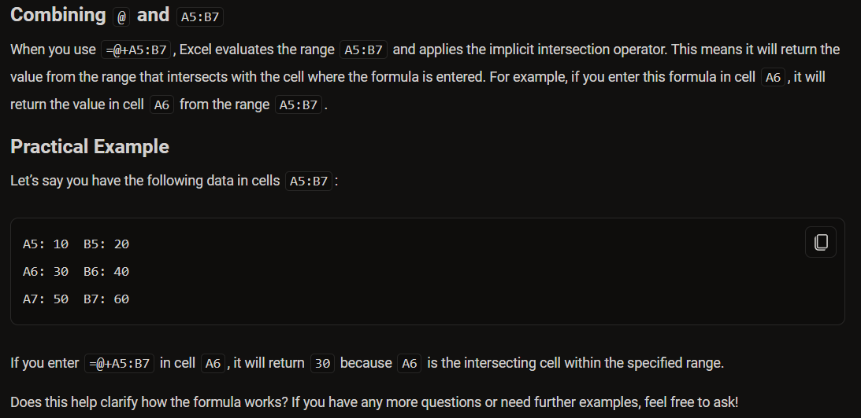

 | 10 | 20 |  |  |  |  |  | 10 | 20
 | 30 | 40 |  |  | 10 |  |  | 30 | 40
 | 50 | 60 |  |  |  |  |  | 50 | 60

